Background & Purpose
Company Background Related to the Project
TSI is an industry leader in Accounts Receivables Management. Although TSI (entities under its umbrella - ACT, Alltran Financial, NCI and TSI) offers various services and solutions in BPO, CRM, ARM and other related areas, the scope of this project is centered around our debt collections or ARM space. Each of the mentioned entity have their own debt collection license and conduct their business in their respective entity's name. TSI currently utilizes both, the conventional methods of communication like voice calls, letters etc and the digital tools like email, SMS, Web, etc., for reaching consumers and fulfilment/resolution of their debt, however the said channels are not fully integrated with each other. TSI uses various vendors/partners to accomplish the above. TSI also has a 24x7 self service online portal that offers full suit of service options including negotiation engine, and has realtime data integration with its collections database. All the above entities are primarily using either FACS or AS400 as their collection platform and system of records and therefore we're looking for a solution that, to an extent, is system agnostic and serves all the entities with minor integrations respectively.

Purpose and Broad Scope
TSI is looking to transform its overall communication strategy to create a true omni-channel experience for its customers. The scope of this project is to develop an omni-channel solution for: 1) mass outreach, and 2) subsequent fulfilment or resolution of consumer debt For mass outreach, the solution should utilize predictive analysis and response/feedback mechanism to trigger and sequence communications using the consumer prefered channel (Email, SMS, Letter, Phone Call etc). The algorithm should be capable of self-learning (machine learning) from the results. For fulfilment or resolution of accounts from inbound consumer traffic through digital channels (web, chat, chat transfered to live agent, IVA, IVA transfered to live agent, responding to emails received from consumers, 2-way texting etc), we may have a separate team of ~40-50 agents per entity. The team may grow with inbound consumer volume growing to digital channels overtime. Some of the expected features of this omni-channel communication strategy are: - Use of common digital communication channels like Email, SMS, Chatbot, Virtual agent etc. for driving outbound reach and inbound consumer engagement. - ML driven decision engine that overlays multi-communication channels and utilizes a data driven analytical approach to optimize company’s communication strategy through the choice of appropriate channel, frequency, timing, and message content to deliver superior financial performance and customer experience at lower cost-to-collect rates. - TSI is also looking to transform its current online web portal from passive to an intelligent interactive web channel that should have the capability to trigger followup communications to the consumers (email, SMS etc) based on their web activity. The purpose of this engagement with you is to solicit potential options, approaches and strategies from groups and/or organizations that have expertise and experience in designing, automating and executing

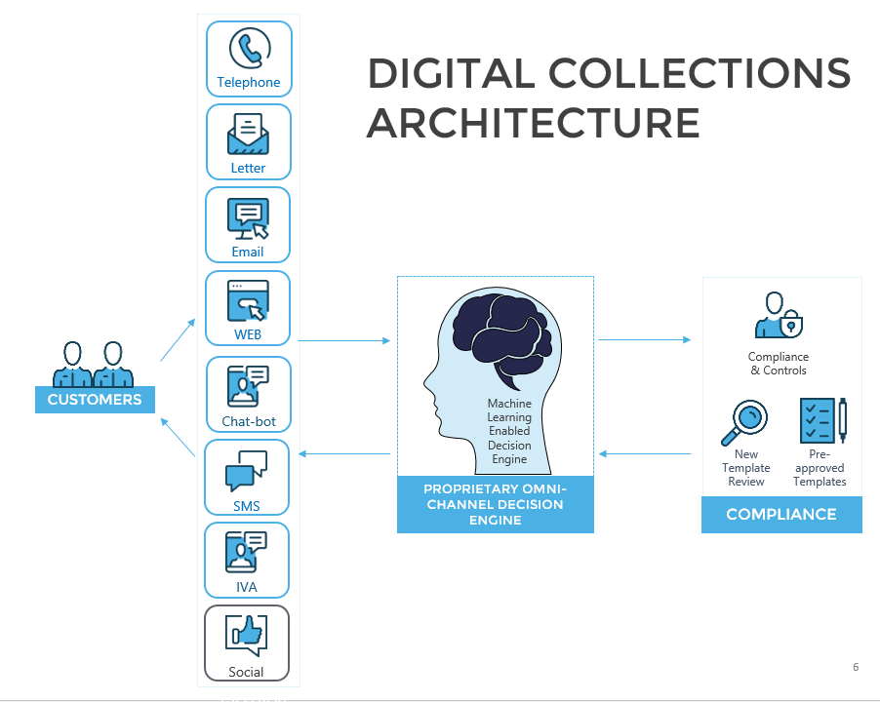

system of Records, e.g. FACS, AS400, Latitude etc.

Web Portal
Scope
TSI has its own 24x7 consumer portal (iResolve) that is capable of managing 90% of functions that are currently handled over phone, including negotiations. iResolve - - Has real-time integration with the collections system - Live chat through agent enabled We are looking to enhance our portal with the following functionalities - 1. Chat-bot (broad feature list provided under the section Chat-bot) 2. Integration w/ other communication channels (Email, SMS) to trigger communications to the consumers based on their web activity (see below for examples) 3. Model/logic to trigger web activity based communications 4. Push notifications 5. Enable agent or chat-bot intervention if screen idle or consumer hits "logout" without making a payment

iResolve should be able to trigger follow up communication to the consumer, in their prefered channel of choice, in case the consumer drops out without making a payment. For example: Joe Smith received an offer from TSI to settle the account in 1 part via Email and SMS. Joe clicked on url given on SMS and logged in to iResolve. Joe came to the offer page but logged out without making a payment. Action needed: iResolve should recognize the opportunity and trigger followup SMS to Joe Smith- SMS Day1: Joe, your settlement offer expires on <date> SMS Day3: Joe, you've more options available to resolve your account Example 2: Joe Smith received an email from TSI to resolve his debt. He clicked the link on email to login and reviewed the options available for resolution. Upon reviewing the offers, he selected "Discount Offer" option and tried to customize the plan however the system did not approve his offer. Action needed: iResolve should recognize the opportunity and based on the plan consumer was trying to negotiate, it should trigger another email stating that - Hi Joe, unfortunately we're unable to approve the terms of your poposed offer, however we've refreshed our offer to the extent possible to meet your requirement. Please login to avail the offer. In case this offer doesn't meet your expectations, you may select "Partial Payment" option to start making small payments towards balance on your account.

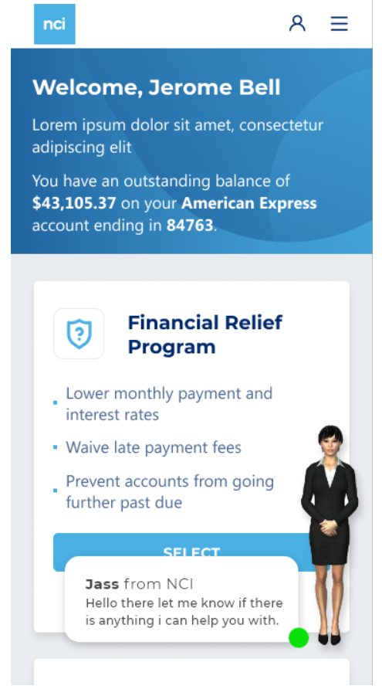

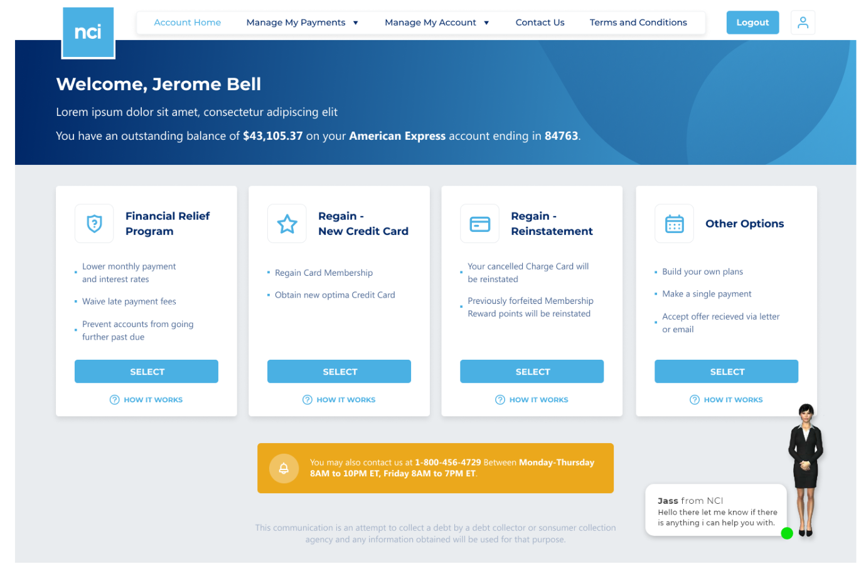

Desktop View
Mobile View

Email
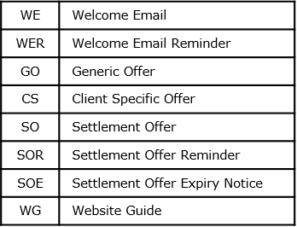
Channel | Feature | Criticality Level (1:Lowest, 5: Highest)
E-Mail | Journey Builder - for dynamic email strategy where the next communication will be based on customer response (open, click, web visit, inbound call etc) to the previous communication. If No response, then follow the flat day wise strategy (See example below) | 5
E-Mail | Transactional two-way (Reactive) that allows - use of canned response with variable fields - maker checker queue - links all communications by consumer account - reports ageing of emails not responded+ | 5
E-Mail | Supports Plain text & HTML | 5
E-Mail | Supports integration with Template creation tools | 4
E-Mail | Inbox optimization and Spam rate tracking | 5
E-Mail | Domain & IP reputation management: 1. Blacklist monitoring of your domain and IP 2. Dedicated IP and domain 3. Feedback Loop Tracking 4. SPF, DKIM, DMARC Support | 5
E-Mail | Analytics: Bounce, Open and click rate tracking | 5
E-Mail | WCAG and ADA compliance | 4
E-Mail | Data retention/ E-Mail history (Searchable Email Activity) | 3
E-Mail | Subject line personalization using variables such as consumer name etc. | 4
E-Mail | A/B and multi-variate testing features | 4
E-Mail | Multi-language: English & Spanish language options for templates | 5
E-Mail | API integration availability to integrate collection platform(s) | 5
E-Mail | Email Address Validation or integration with 3P vendor tools | 5
E-Mail | Opt-out controls and reporting | 5
E-Mail | Omni-channel - allows integration with our web portal and other communication channels | 5

Example - Dynamic Email Strategy
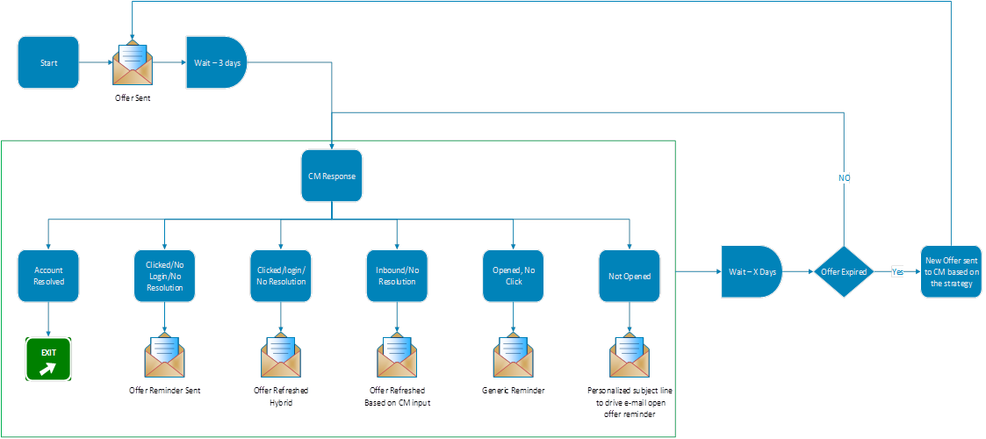

Example - Flat Email Strategy

